Calculations
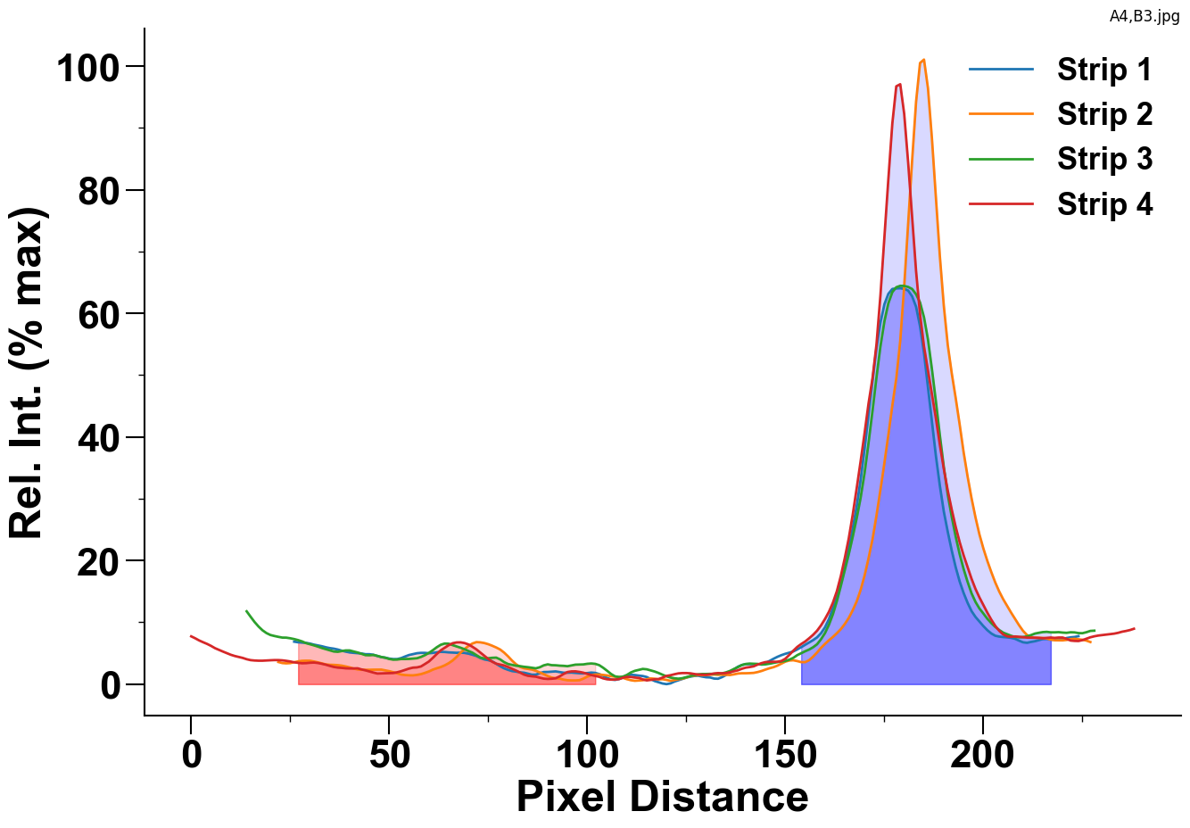
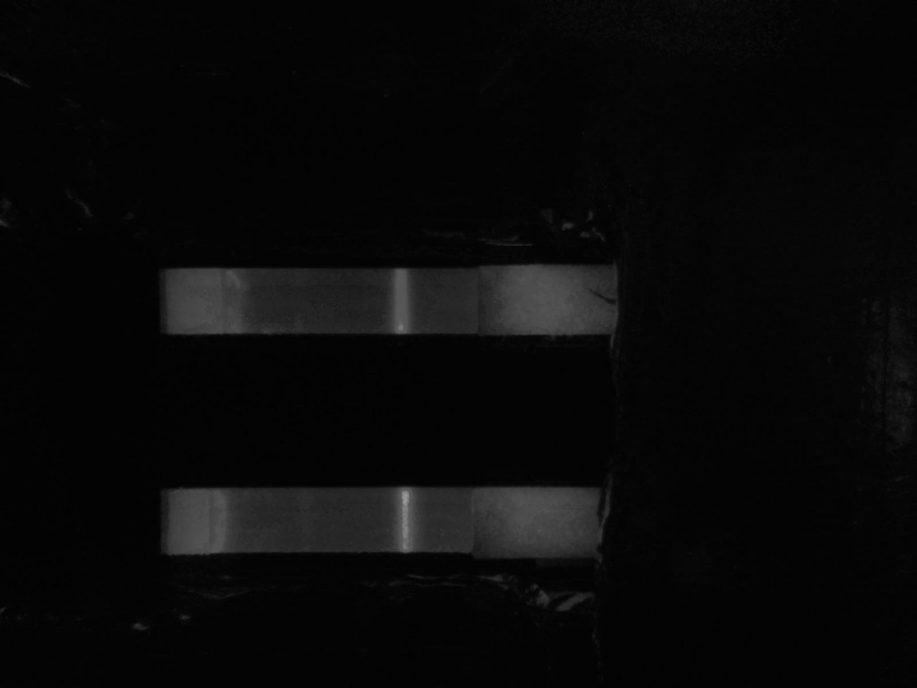
 |  | Strip 1 | Strip 2 | Strip 3 | Strip 4
Control Peak | Area | 1639.3439153 | 1963.589418 | 1702.0114286 | 1961.9606349
Bounds: (153, 217) | Max Value | 64.06 | 101.06 | 64.45 | 97.07
Test Peak | Area | 310.3688 | 224.11893333 | 343.83075556 | 227.28897778
Bounds: (26, 102) | Max Value | 6.87 | 6.8 | 7.29 | 6.76

